sale sheet
FUNDRAISER to benefit:
Fall Only |  |  | 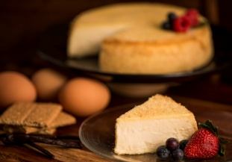 415 Route 31 North Ringoes N J 08551 www.maddalenascatering.com |  |  |  |  |  |  |  |  |  |  |  | 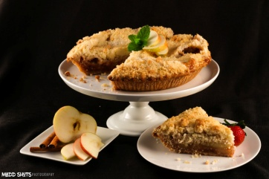
Sales Person Name Phone # Email |  |  | Original Gourmet |  |  |  |  |  |  | GLUTEN FREE |  |  |  | 1.5 lb |  | 7" CheeseCake 2 Lb 10" Apple Pies 3.75 Lb
 |  |  | CheeseCake |  |  |  |  |  |  | CheeseCake |  |  |  |  | Pie
 |  |  | Vanilla | Chocolate Chip | Strawberry | Marble Swirl | Black Forest Swirl | Pumpkin | Chocolate | GF Vanilla | GF Chocolate chip | GF Marble | GF Pumpkin | Keto -Vanilla Almond Crusted | Apple Crumb Pie | Thank you for supporting our fundraising campaign
Fundraiser Order #
Orders due - Deadline
Delivery Date
Coordinator Name & Ph#
email
Coordinator asst. Name &ph#
email
Name | Phone | Email | $20 |  |  |  |  |  | $22 | $24 |  |  |  | $23 | $24 | Qty | Total $ | Paid

Put a "0" if necessary Double Check all numbers |  | Sheet Totals | 0 | 0 | 0 | 0 | 0 | 0 | 0 | 0 | 0 | 0 | 0 | 0 | 0 | 0 | 0
 |  |  |  |  |  |  |  |  |  |  |  |  |  |  |  |  | Sheet__of__

